TOTAL
Alkalmazott szűrők: TRANSPORT_MODE egyezik ezzel: Sea Reference type egyezik ezzel: Highlighted references only „QUERY_List_Carrier_name_EDIQ_Act”[LSP] egyezik ezzel: Maersk Date ekkori vagy későbbi a következőnél: 2026.06.08. 0:00:00 és dátuma korábbi, mint 2026.06.15. 0:00:00 SHIPMENT_CANCELLED egyezik ezzel: (Üres) Previous and next 1 year egyezik ezzel: Y KPI_Category nem egyezik ezzel: Mapping

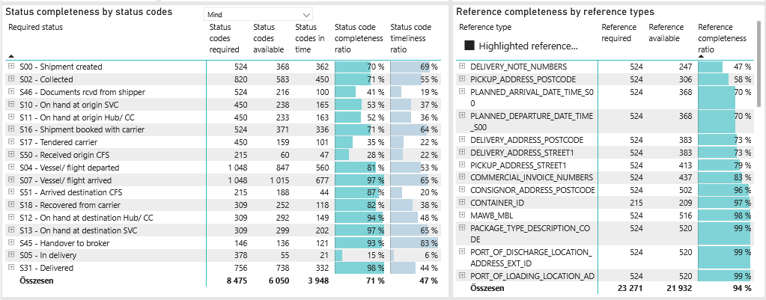
Required status | Status type | „QUERY_List_Carrier_EDIQ_Act”[LSP] | Status codes required | Status codes available | Status codes in time | Status code completeness ratio | Status code timeliness ratio
S00 - Shipment created | Actual | Maersk | 524 | 368 | 362 | 70 % | 69 %
S02 - Collected | Estimated | Maersk | 410 | 332 | 275 | 81 % | 67 %
S02 - Collected | Actual | Maersk | 410 | 251 | 175 | 61 % | 43 %
S46 - Documents rcvd from shipper | Actual | Maersk | 524 | 216 | 100 | 41 % | 19 %
S10 - On hand at origin SVC | Actual | Maersk | 450 | 238 | 165 | 53 % | 37 %
S11 - On hand at origin Hub/ CC | Actual | Maersk | 450 | 233 | 163 | 52 % | 36 %
S16 - Shipment booked with carrier | Actual | Maersk | 524 | 371 | 336 | 71 % | 64 %
S17 - Tendered carrier | Actual | Maersk | 450 | 159 | 101 | 35 % | 22 %
S50 - Received origin CFS | Actual | Maersk | 215 | 60 | 47 | 28 % | 22 %
S04 - Vessel/ flight departed | Estimated | Maersk | 524 | 501 | 349 | 96 % | 67 %
S04 - Vessel/ flight departed | Actual | Maersk | 524 | 346 | 211 | 66 % | 40 %
S07 - Vessel/ flight arrived | Estimated | Maersk | 524 | 518 | 349 | 99 % | 67 %
S07 - Vessel/ flight arrived | Actual | Maersk | 524 | 497 | 328 | 95 % | 63 %
S51 - Arrived destination CFS | Actual | Maersk | 215 | 188 | 44 | 87 % | 20 %
S18 - Recovered from carrier | Actual | Maersk | 309 | 252 | 118 | 82 % | 38 %
S12 - On hand at destination Hub/ CC | Actual | Maersk | 309 | 292 | 149 | 94 % | 48 %
S13 - On hand at destination SVC | Actual | Maersk | 309 | 299 | 202 | 97 % | 65 %
S45 - Handover to broker | Actual | Maersk | 146 | 136 | 121 | 93 % | 83 %
S05 - In delivery | Actual | Maersk | 378 | 55 | 21 | 15 % | 6 %
S31 - Delivered | Estimated | Maersk | 378 | 376 | 217 | 99 % | 57 %
S31 - Delivered | Actual | Maersk | 378 | 362 | 115 | 96 % | 30 %

FCL
Alkalmazott szűrők: TRANSPORT_MODE egyezik ezzel: Sea TRANSPORT_SERVICE_PRIORITY egyezik ezzel: FCL/FCL/FCL Reference type egyezik ezzel: Highlighted references only „QUERY_List_Carrier_name_EDIQ_Act”[LSP] egyezik ezzel: Maersk Date ekkori vagy későbbi a következőnél: 2026.06.08. 0:00:00 és dátuma korábbi, mint 2026.06.15. 0:00:00 SHIPMENT_CANCELLED egyezik ezzel: (Üres) Previous and next 1 year egyezik ezzel: Y KPI_Category nem egyezik ezzel: Mapping

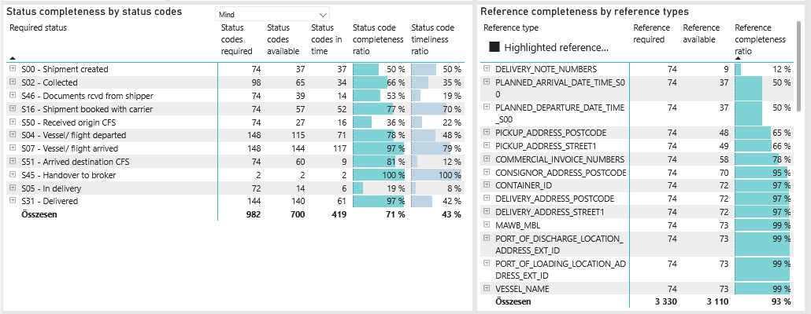
Required status | Status type | „QUERY_List_Carrier_EDIQ_Act”[LSP] | Status codes required | Status codes available | Status codes in time | Status code completeness ratio | Status code timeliness ratio
S00 - Shipment created | Actual | Maersk | 74 | 37 | 37 | 50 % | 50 %
S02 - Collected | Estimated | Maersk | 49 | 41 | 22 | 84 % | 45 %
S02 - Collected | Actual | Maersk | 49 | 24 | 12 | 49 % | 24 %
S46 - Documents rcvd from shipper | Actual | Maersk | 74 | 39 | 14 | 53 % | 19 %
S16 - Shipment booked with carrier | Actual | Maersk | 74 | 57 | 52 | 77 % | 70 %
S50 - Received origin CFS | Actual | Maersk | 74 | 27 | 16 | 36 % | 22 %
S04 - Vessel/ flight departed | Estimated | Maersk | 74 | 70 | 57 | 95 % | 77 %
S04 - Vessel/ flight departed | Actual | Maersk | 74 | 45 | 14 | 61 % | 19 %
S07 - Vessel/ flight arrived | Estimated | Maersk | 74 | 73 | 57 | 99 % | 77 %
S07 - Vessel/ flight arrived | Actual | Maersk | 74 | 71 | 60 | 96 % | 81 %
S51 - Arrived destination CFS | Actual | Maersk | 74 | 60 | 9 | 81 % | 12 %
S45 - Handover to broker | Actual | Maersk | 2 | 2 | 2 | 100 % | 100 %
S05 - In delivery | Actual | Maersk | 72 | 14 | 6 | 19 % | 8 %
S31 - Delivered | Estimated | Maersk | 72 | 72 | 40 | 100 % | 56 %
S31 - Delivered | Actual | Maersk | 72 | 68 | 21 | 94 % | 29 %

BCO
Alkalmazott szűrők: TRANSPORT_MODE egyezik ezzel: Sea TRANSPORT_SERVICE_PRIORITY egyezik ezzel: LCL/FCL/FCL Reference type egyezik ezzel: Highlighted references only „QUERY_List_Carrier_name_EDIQ_Act”[LSP] egyezik ezzel: Maersk Date ekkori vagy későbbi a következőnél: 2026.06.08. 0:00:00 és dátuma korábbi, mint 2026.06.15. 0:00:00 SHIPMENT_CANCELLED egyezik ezzel: (Üres) Previous and next 1 year egyezik ezzel: Y KPI_Category nem egyezik ezzel: Mapping

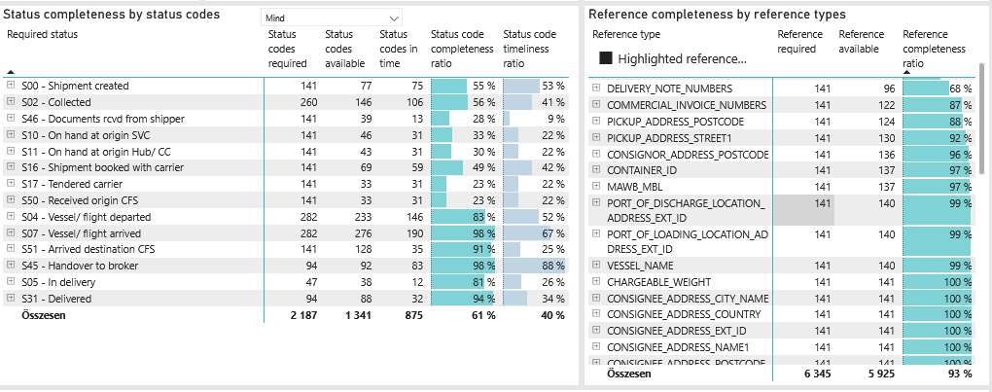
Required status | Status type | „QUERY_List_Carrier_EDIQ_Act”[LSP] | Status codes required | Status codes available | Status codes in time | Status code completeness ratio | Status code timeliness ratio
S00 - Shipment created | Actual | Maersk | 141 | 77 | 75 | 55 % | 53 %
S02 - Collected | Estimated | Maersk | 130 | 82 | 67 | 63 % | 52 %
S02 - Collected | Actual | Maersk | 130 | 64 | 39 | 49 % | 30 %
S46 - Documents rcvd from shipper | Actual | Maersk | 141 | 39 | 13 | 28 % | 9 %
S10 - On hand at origin SVC | Actual | Maersk | 141 | 46 | 31 | 33 % | 22 %
S11 - On hand at origin Hub/ CC | Actual | Maersk | 141 | 43 | 31 | 30 % | 22 %
S16 - Shipment booked with carrier | Actual | Maersk | 141 | 69 | 59 | 49 % | 42 %
S17 - Tendered carrier | Actual | Maersk | 141 | 33 | 31 | 23 % | 22 %
S50 - Received origin CFS | Actual | Maersk | 141 | 33 | 31 | 23 % | 22 %
S04 - Vessel/ flight departed | Estimated | Maersk | 141 | 135 | 65 | 96 % | 46 %
S04 - Vessel/ flight departed | Actual | Maersk | 141 | 98 | 81 | 70 % | 57 %
S07 - Vessel/ flight arrived | Estimated | Maersk | 141 | 140 | 65 | 99 % | 46 %
S07 - Vessel/ flight arrived | Actual | Maersk | 141 | 136 | 125 | 96 % | 89 %
S51 - Arrived destination CFS | Actual | Maersk | 141 | 128 | 35 | 91 % | 25 %
S45 - Handover to broker | Actual | Maersk | 94 | 92 | 83 | 98 % | 88 %
S05 - In delivery | Actual | Maersk | 47 | 38 | 12 | 81 % | 26 %
S31 - Delivered | Estimated | Maersk | 47 | 45 | 6 | 96 % | 13 %
S31 - Delivered | Actual | Maersk | 47 | 43 | 26 | 91 % | 55 %

LCL
Alkalmazott szűrők: TRANSPORT_MODE egyezik ezzel: Sea TRANSPORT_SERVICE_PRIORITY egyezik ezzel: LCL/LCL/LCL Reference type egyezik ezzel: Highlighted references only „QUERY_List_Carrier_name_EDIQ_Act”[LSP] egyezik ezzel: Maersk Date ekkori vagy későbbi a következőnél: 2026.06.08. 0:00:00 és dátuma korábbi, mint 2026.06.15. 0:00:00 SHIPMENT_CANCELLED egyezik ezzel: (Üres) Previous and next 1 year egyezik ezzel: Y KPI_Category nem egyezik ezzel: Mapping
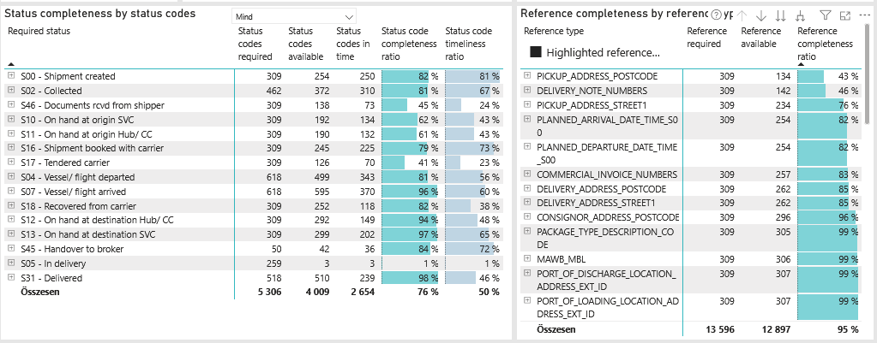
Required status | Status type | „QUERY_List_Carrier_EDIQ_Act”[LSP] | Status codes required | Status codes available | Status codes in time | Status code completeness ratio | Status code timeliness ratio
S00 - Shipment created | Actual | Maersk | 309 | 254 | 250 | 82 % | 81 %
S02 - Collected | Estimated | Maersk | 231 | 209 | 186 | 90 % | 81 %
S02 - Collected | Actual | Maersk | 231 | 163 | 124 | 71 % | 54 %
S46 - Documents rcvd from shipper | Actual | Maersk | 309 | 138 | 73 | 45 % | 24 %
S10 - On hand at origin SVC | Actual | Maersk | 309 | 192 | 134 | 62 % | 43 %
S11 - On hand at origin Hub/ CC | Actual | Maersk | 309 | 190 | 132 | 61 % | 43 %
S16 - Shipment booked with carrier | Actual | Maersk | 309 | 245 | 225 | 79 % | 73 %
S17 - Tendered carrier | Actual | Maersk | 309 | 126 | 70 | 41 % | 23 %
S04 - Vessel/ flight departed | Estimated | Maersk | 309 | 296 | 227 | 96 % | 73 %
S04 - Vessel/ flight departed | Actual | Maersk | 309 | 203 | 116 | 66 % | 38 %
S07 - Vessel/ flight arrived | Estimated | Maersk | 309 | 305 | 227 | 99 % | 73 %
S07 - Vessel/ flight arrived | Actual | Maersk | 309 | 290 | 143 | 94 % | 46 %
S18 - Recovered from carrier | Actual | Maersk | 309 | 252 | 118 | 82 % | 38 %
S12 - On hand at destination Hub/ CC | Actual | Maersk | 309 | 292 | 149 | 94 % | 48 %
S13 - On hand at destination SVC | Actual | Maersk | 309 | 299 | 202 | 97 % | 65 %
S45 - Handover to broker | Actual | Maersk | 50 | 42 | 36 | 84 % | 72 %
S05 - In delivery | Actual | Maersk | 259 | 3 | 3 | 1 % | 1 %
S31 - Delivered | Estimated | Maersk | 259 | 259 | 171 | 100 % | 66 %
S31 - Delivered | Actual | Maersk | 259 | 251 | 68 | 97 % | 26 %

